PRD
Product Requirement Document (PRD) - Version: 1.0

Template Name |  | Money Transfer system
Goals & Objective |  | We all transfer money. The goal of this website is to provide a secure and efficient platform for individuals and businesses to transfer money. From this website user/miner can : - Send & Receive money with low cost transaction fee - Can see transparent ledger where all activity of transaction is shown - User can update their profile information
Client Information
Product Type |  | Web Application
Domain |  | Web2
Access Layers |  | User, admin
Design Required |  | Yes

Phase | Item No | Specification [Role] | Screen Definition | User Story | Acceptance Criteria | UI Screen / Wireframe | Tags
Feature: 1 |  | Auth Feature
phase 1 | 1 | Signup [admin] [User] | <Form> <input=name> <input=email> <input=gender> <input=dob> <input=password> <input=re-password> <input=user-type> <button=signup> <link=signin> |  | - Email (input) field should only accept valid unregistered email address as input, otherwise will show an 'email already used' message. - Password (input) should be minimum 8 characters long. Otherwise show an invalid message. - Re-password (input) E14match password. Otherwise show 'password do not match' message. - User type must be selected. Otherwise show 'Please select a user type'. - On clicking signup button, credential will be stored in database, user will be redirected to his dashboard. - A copy of the login information will be sent to his email.E14 | 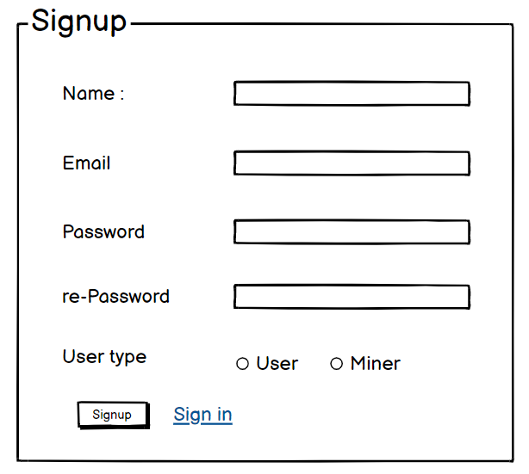 | signup
phase 1 | 2 | Signin [admin] [User] | <Form> <input=email> <input=password> <option=remember me> <button=signin> <link=signup> <link=forgot password> |  | - Email must match database email - password must match database password - User go to dashboard (if email & password match with database) - User is promt with an error. "Email or password does not match!". (if email & password match with database) - clicking signup should take user to signup page - clicking forgot password should take him to forgot password page | 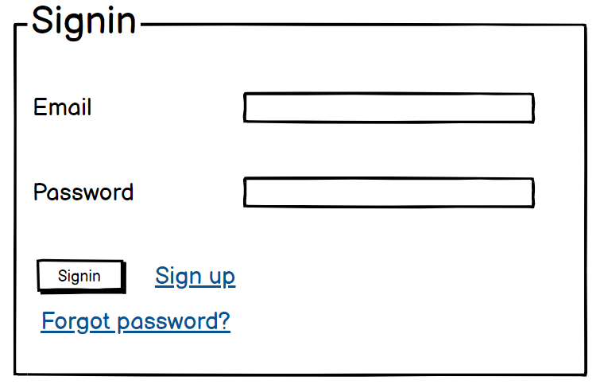 | signin
phase 1 | 3 | Forgot password[admin] [User] | <Form> <input=email> <button=send code> <input=code> <input=password> <input=confirm Password> <button=submit> |  | - email must match DB email or promt "No email found!" - pressing send code will print a message "code sent!" and the code can be found at user info row. - enter new password [At least 8 characters long, atleast one special character] - re-type new password [it should match new password] - clicking submit button will show user -> "password changed" if all info match criteria or it'll indicate what's wrong | 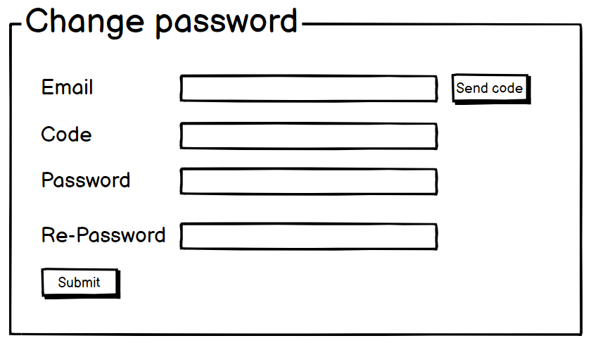 | forgot_password
Feature: 2 |  | Dashboard
phase 1 | 4 | Menu [User] | Dashboard Send money Public Ledger Latest Blocks View Profile Edit Profile Change Profile Photo Change Password |  | - clicking dashboard will take user to dashboard page - go to send money page on click - go to public ledger on Click - go to Latest blocks page on click - go to view profile page on click - go to edit profile page on Click - go to change profile page on Click - go to change password page on Click | 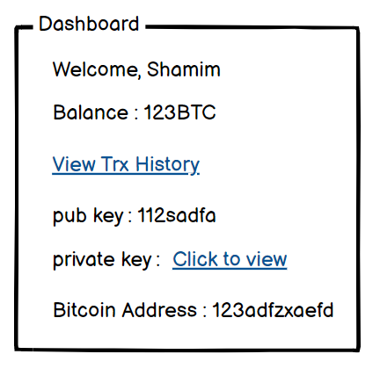 | Menu
phase 1 | 5 | Menu[admin] | <Unordered list> Dashboard Send money Public Ledger Latest Blocks Mempool Mine block Verify blocks View Profile Edit Profile Change Profile Photo Change Password |  | - clicking dashboard will take user to dashboard page - go to send money page on click - go to public ledger on Click - go to Latest blocks page on click - go to mempool page on click - go to mine blocks page on click - go to verify blocks page on click - go to view profile page on click - go to edit profile page on Click - go to change profile page on Click - go to change password page on Click
phase 1 | 6 | Dashboard [admin] [User] | <table> Balance : 100.23 BTC View transaction history (link) Your public key Your private key Your bitcoin address |  | - show appropiate Balance ( should not be less than 0) - clicking trx history link will take user to trx history page - public key is shown - private key is only shown when clicked - bitcoin address is shown
Feature: 3 |  | Top bar and Bottom Bar
phase 1 | 7 | Top bar | table row 1 col1 : logo col2 : leave it blank col3 : Logged in as, cseshamim47 | logout |  | - logout should erase cookie and user should not be able to go to dashboard without login again | 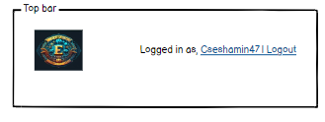
phase 1 | 8 | Bottom Bar | copyright and year |  | none
Feature: 4 |  | Send Money
phase 2 | 9 | Send Money[user][miner] | <form> <input = recipient address > <input = Amount> <input = re-type amount> <button = sign with private key> <input = message> <button = submit> |  | - User must enter valid receipient address [otherwise prompt an error] - User must enter amount in valid format [negative, 0 or any charater is not allowed. Only numerics starting > 0 is allowed. The amount must be less than or equals to user's current balance] - User must re-type same amount previously mentioned - User must click sign with private key [otherwise promt an error] - User can write anything in the message box if they want - User have to click submit button after everything is set properly [ clicking submit will add the transaction to the mempool] | 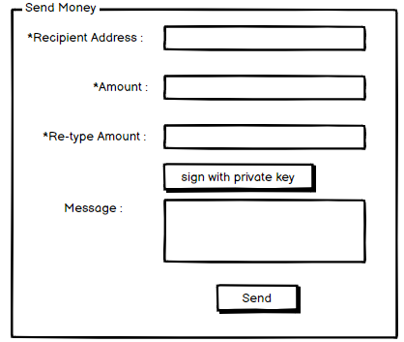
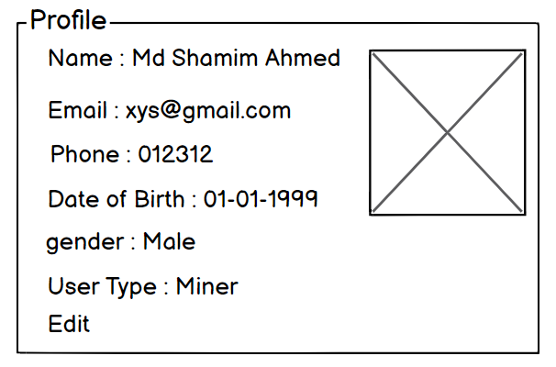
Feature: 10 |  | Profile
phase 1 | 15 | View Profile[miner][user] | <table> Name Email Phone Date of Birth gender user type edit |  | - No null values - Edit button should take user to edit page
phase 1 | 16 | Edit Profile[miner][user] | <table> <input = Name > <input = Email > <input = Phone > <date input = Date of Birth > <radio button = gender > <button = save > |  | - No null values - email should be in correct format [xyz@abc.com] - phone number should be in correct format [11 digits] - date of birth should be in at least 15 years - clicking save button will either promt with an error if above rules do not meet or a promt notifying the user about successful change | 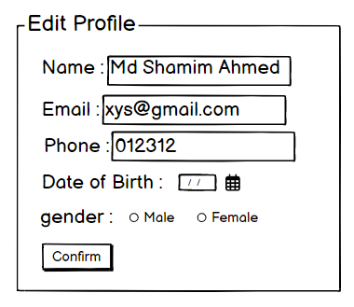
phase 1 | 17 | Change Profile Photo[miner][user] | <table> <current image> <input type="file"> <button = confirm> |  | - current image/ default image is shown - input file should be an image and not any other format [png,jpg format] - cofirm button should redirect user to view profile page | 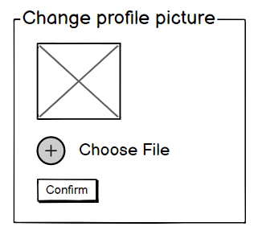
phase 1 | 18 | Change Password[miner][user] | <table> <input type="password"> current password <input type="password"> new password <input type="password"> confirm password <button=change> |  | - user can type current password [it should match database password] - Password (input) should be minimum 8 characters long. Otherwise show an invalid message. - Re-password (input) should match password. Otherwise show 'password do not match' message. - On clicking signup button, credential will be stored in database, user will be prompted with a message. [sucessfully changed / something went wrong] | 